4-Story
Design Information for 4-Story Steel BRBF Baseline Design

General Geometry |  |  |  | Floor Detail
# stories | 4 |  |  | tslab [in] | 5.5
h1st [ft] | 13 |  |  | f'c [ksi] | 4
htyp [ft] | 13 |  |  | trib [in] | 2
Hroof [ft] | 52 |  |  | PurlinSec | W18X35
L [ft] | 120 |  |  | nPurlinPerBay | 3
B [ft] | 120 |  |  | LPurlinPerFloor [ft] | 1440
Aplan [ft2] | 14400 |  |  | LPurlinPerTotal [ft] | 5760
NOTE: The BRB sizing and braced frame members have been resized to account for the 15% increase in design base shear (using MRSA) from ASCE 7-05 to ASCE 7-16 (i.e., members will not match NIST GCR 10-917-8 report)
Lbay,grav [ft] | 30
Lbay,brbf [ft] | 15

BRBF Material Properties |  |  | Steel Section (framing) Material Properties
Fysc,min [ksi] | 38 |  | fy [ksi] | 50
Fysc,exp [ksi] | 42 |  | fye [ksi] | 55
Fysc,max [ksi] | 46

Braced Frame and Gravity Framing Summary |  |  |  |  |  | Inventory |  | BF= braced frame |  | GF= gravity frame
 |  |  |  |  |  | Total number (n) and total length (L) of members for each floor of building
 |  |  |  |  |  | *Lengths are based on rough workpoint-to-workpoint lengths in feet
Story | Asc [in2] | BeamSecBF | ColumnSecBF | BeamSecGF | ColumnSecGF | nBRB | LBRB,WP [ft] | YLR | Lysc [ft] | nBF,Beam | LBF,Beam [ft] | nBF,Column | LBF,Column [ft] | LGF,Beam [ft] | nGF,Column | LGF,Column [ft]
1 | 11.5 | W21X111 | W14X233 | W18X76 | W12X65 | 4 | 79.4 | 0.58 | 46.1 | 4 | 60 | 8 | 104 | 1140 | 21 | 273
2 | 10.5 | W21X93 | W14X132 | W18X76 | W12X65 | 4 | 79.4 | 0.59 | 46.8 | 4 | 60 | 8 | 104 | 1140 | 21 | 273
3 | 8.5 | W21X68 | W14X68 | W18X76 | W12X45 | 4 | 79.4 | 0.61 | 48.4 | 4 | 60 | 8 | 104 | 1140 | 21 | 273
4 | 6.0 | W21X57 | W14X38 | W18X76 | W12X45 | 4 | 79.4 | 0.62 | 49.2 | 4 | 60 | 8 | 104 | 1140 | 21 | 273

12-Story
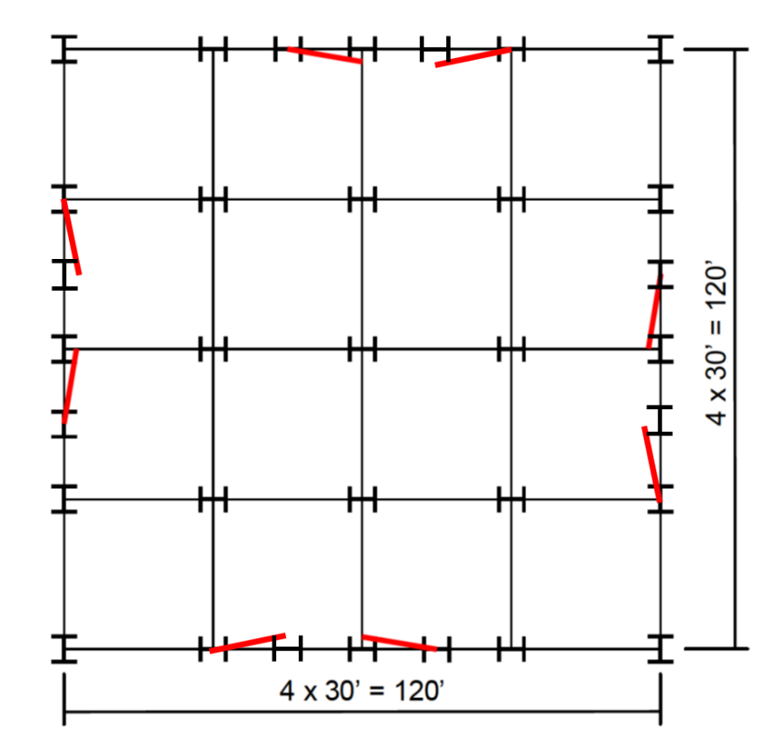
Design Information for 12-Story Steel BRBF Baseline Design

General Geometry |  |  |  | Floor Detail
# stories | 12 |  |  | tslab [in] | 5.5
h1st [ft] | 13 |  |  | f'c [ksi] | 4
htyp [ft] | 13 |  |  | trib [in] | 2
Hroof [ft] | 156 |  |  | PurlinSec | W18X35
L [ft] | 120 |  |  | nPurlinPerBay | 3
B [ft] | 120 |  |  | LPurlinPerFloor [ft] | 1440
Aplan [ft2] | 14400 |  |  | LPurlinPerTotal [ft] | 17280
Lbay,grav [ft] | 30
Lbay,brbf [ft] | 15

BRBF Material Properties |  |  | Steel Section (framing) Material Properties
Fysc,min [ksi] | 38 |  | fy [ksi] | 50
Fysc,exp [ksi] | 42 |  | fye [ksi] | 55
Fysc,max [ksi] | 46

Braced Frame and Gravity Framing Summary |  |  |  |  |  | Inventory |  | BF= braced frame |  | GF= gravity frame
 |  |  |  |  |  | Total number (n) and length (L) of members for each floor of building
 |  |  |  |  |  | *Lengths are based on rough workpoint-to-workpoint lengths in feet except BRB core length (Lysc)
Story | Asc [in2] | BeamSecBF | ColumnSecBF | BeamSecGF | ColumnSecGF | nBRB | LBRB,WP [ft] | YLR | Lysc [ft] | nBF,Beam | LBF,Beam [ft] | nBF,Column | LBF,Column [ft] | LGF,Beam [ft] | nGF,Column | LGF,Column [ft]
1 | 9.0 | W21X73 | W14X283 | W18X76 | W12X210 | 8 | 158.8 | 0.59 | 93.7 | 8 | 120 | 16 | 208 | 1140 | 17 | 221
2 | 9.0 | W21X73 | W14X283 | W18X76 | W12X210 | 8 | 158.8 | 0.59 | 93.7 | 8 | 120 | 16 | 208 | 1140 | 17 | 221
3 | 8.0 | W21X73 | W14X257 | W18X76 | W12X190 | 8 | 158.8 | 0.60 | 95.3 | 8 | 120 | 16 | 208 | 1140 | 17 | 221
4 | 8.0 | W21X62 | W14X257 | W18X76 | W12X190 | 8 | 158.8 | 0.60 | 95.3 | 8 | 120 | 16 | 208 | 1140 | 17 | 221
5 | 7.0 | W21X62 | W14X211 | W18X76 | W12X170 | 8 | 158.8 | 0.61 | 96.9 | 8 | 120 | 16 | 208 | 1140 | 17 | 221
6 | 7.0 | W21X62 | W14X211 | W18X76 | W12X170 | 8 | 158.8 | 0.61 | 96.9 | 8 | 120 | 16 | 208 | 1140 | 17 | 221
7 | 6.0 | W21X62 | W14X211 | W18X76 | W12X136 | 8 | 158.8 | 0.61 | 96.9 | 8 | 120 | 16 | 208 | 1140 | 17 | 221
8 | 6.0 | W21X62 | W14X211 | W18X76 | W12X136 | 8 | 158.8 | 0.61 | 96.9 | 8 | 120 | 16 | 208 | 1140 | 17 | 221
9 | 6.0 | W21X62 | W14X145 | W18X76 | W12X120 | 8 | 158.8 | 0.61 | 96.9 | 8 | 120 | 16 | 208 | 1140 | 17 | 221
10 | 5.0 | W21X62 | W14X145 | W18X76 | W12X120 | 8 | 158.8 | 0.62 | 98.5 | 8 | 120 | 16 | 208 | 1140 | 17 | 221
11 | 4.0 | W21X50 | W14X145 | W18X76 | W12X87 | 8 | 158.8 | 0.62 | 98.5 | 8 | 120 | 16 | 208 | 1140 | 17 | 221
12 | 3.0 | W21X50 | W14X145 | W18X76 | W12X87 | 8 | 158.8 | 0.62 | 98.5 | 8 | 120 | 16 | 208 | 1140 | 17 | 221

